Button Layout
Drone GUI

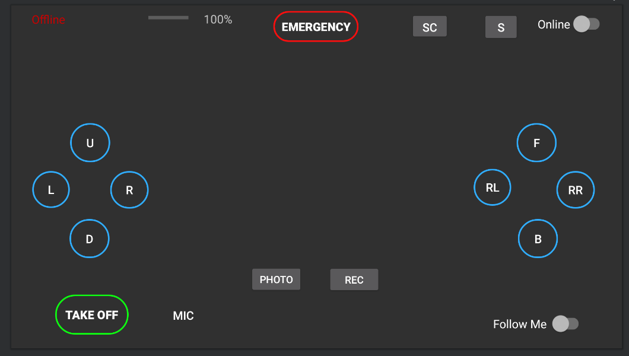
 |  | Manual for project version = | 2.7

 | Button Information
 | Button | Description | int ID
 | None | No button has been pressed | 0
 | Take off/land | Launch or land the drone | 1
 | Emergency | Shut off propelers to try to land | 2
 | U | Up | 3
 | D | Down | 4
 | L | Left | 5
 | R | Right | 6
 | F | Forward | 7
 | B | Backward | 8
 | RL | Rotate left | 9
 | RR | Rotate right | 10
 | SC | Switch Cameras | 11
 | Retreat | Attemps to go back and land at base | 12
 | (Gear) | Settings. Only when drone is not in air. | 13
 | Mode | Follow me mode/manual switch | 14
 | Take photo | take photo of current camera | 15
 | Start/stop video | Take/ stop video of current camera | 16
 | Pause Video | Pauses current video | 17
 | Mic | Give a voice command | 18

 |  | Note: int ID used for App Protocol position 0
 |  | Note: yellow IDs won't be used in protcol

Drone Status
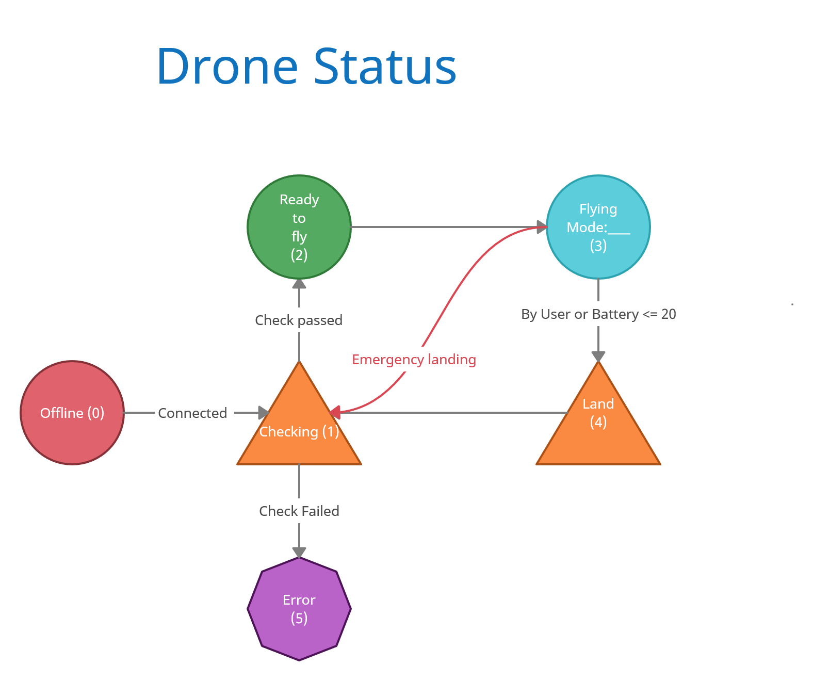

Drone Status Information
Status | Name | Description
0 | Offline | Drone is offline, not connected.
1 | Check | Drone is checking its hardware to make sure it is ready to fly.
2 | Ready | Drone is ready to take off.
3 | Fly | Drone is flying
4 | Land | Drone attemps to land.
5 | Error | Drone has a hardware issue that needs to be addressed.

 |  | Note: status ID used for Drone Protcol position 0

 | Flying Mode when in flying
 | Flying Mode | Description
 | Manual | Drone is flying and in manuel mode.
 | Follow Me | Drone is following user by being in front of them. Default camera faces them.
 | Trail Me | Drone is following user by behing behind them. Default camera faces them.
 | Above Me | Drone is following user by being on top of them. Default camera is bottom camera.

Protocols
Navigation Comms |  |  |  |  |  | Video Comms

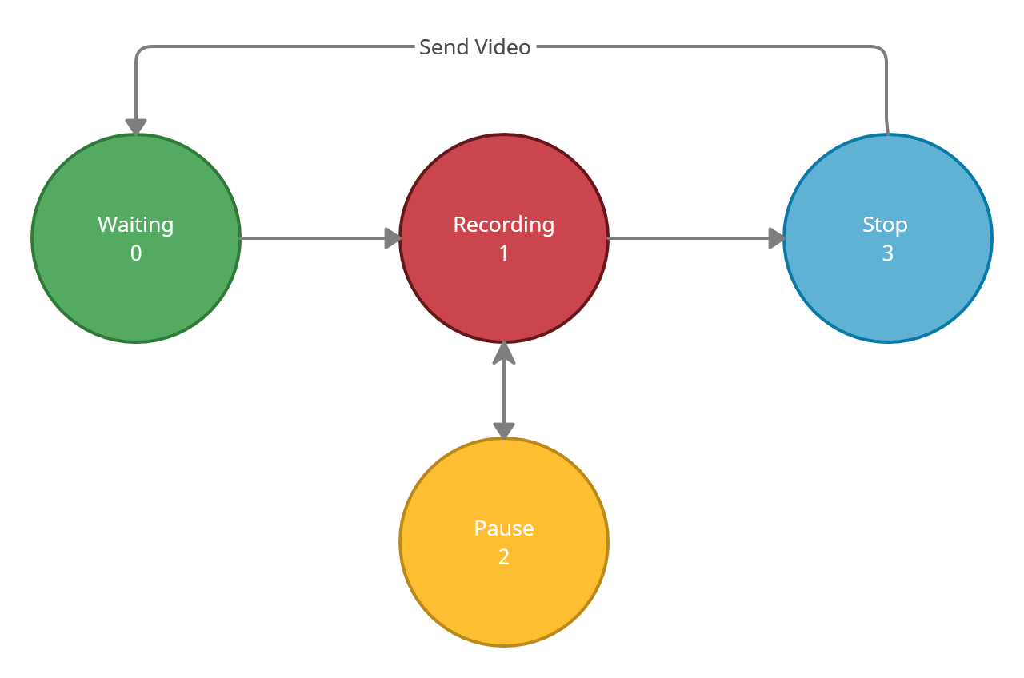
Drone Protocol |  |  | App Protocol
Position | Name | Description | Position | Name | Description
0 | Status | Current drone's status | 0 | Button pressed | Last button pressed, 0 if none
1 | Battery | Battery % of drone | 1 | Follow Mode | Manual, follow me, trail, above
2 | Velocity | Velocity of drone in ft/s | 2 | Velocity | Velocity set by app for drone
3 | Altitude | Drone's altitude in feet
4 | Error Code | Give any errors the drone might have

